Total Issue
Issue ID | Catagory | Severity | Status | Headline | Based Version | Released Version | Submitted Date | Submitter | R&D Closed Date | QA Closed Date | R&D Closed Period | QA Closed Period | Owner | Descriptions | R&D Remark | QA Remark | Remark
Ubio-X Face_0010 | FW | Major | Monitoring | 미전송 로그 많은 단말기 서버연결 후 인증 시 동작 | 0.0.0-61.01-000.13 |  | 2021-03-02 | 박욱재 |  |  | #NUM! | #NUM! |  | Precondition : 단말기 미전송 로그 약 30만건 Operation Step : 1) 단말기 네트워크 연결 2) 서버와 연결 확인 후 인증시도 확인 Expected Result : 단말 정상 인증 및 화면 멈춤현상 발생하지 않아야 함 Test Result : 인증 시 화면 멈춤 및 인증 딜레이 발생 Occurence Rate : 100% 발생 Comments : | 2021.03.16 (심효진) - 수정완료 2021.06.30 (심효진) - 화면업데이트 및 로그전송중 단말기 부하가 심해져서 일시적으로 발생하는 문제로 개선이 어려움 | [20210503_박욱재] 확인중 [20210607_박욱재] FW 20 동일증상 미전송로그 60만개 카드인증 딜레이 및 인증후 화면 멈춤현상 발생(약 3초) [20210705_박욱재] R&D Remark 확인 Monitoring 변경

 |  |  |  |  |  |  |  |  |  |  |  |  |  | 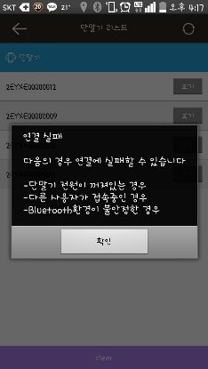

 |  |  |  |  |  |  |  |  |  |  |  |  |  | 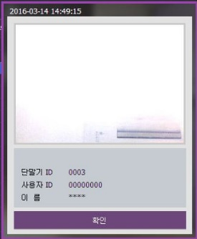 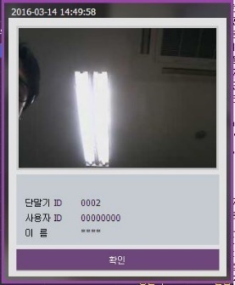
 |  |  |  |  |  |  |  |  |  |  |  |  |  |  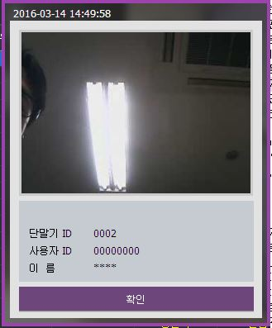

 |  |  |  |  |  |  |  |  |  |  |  |  |  | 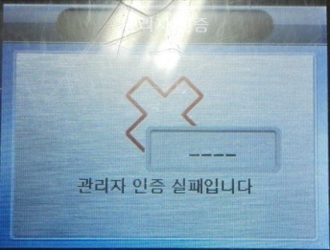

 |  |  |  |  |  |  |  |  |  |  |  |  |  | 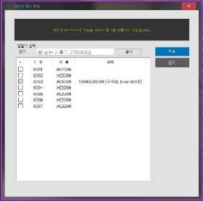

 |  |  |  |  |  |  |  |  |  |  |  |  |  | 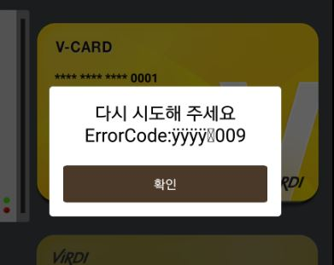

 |  |  |  |  |  |  |  |  |  |  |  |  |  | 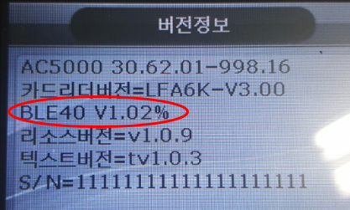

Release Version Open Issue
Version
Issue 개수

UBio-X Face Release Version Open Issue
 | Issue 개수

Total Issue 미수정율 및 수정완료기간
Issue Status | Open | Reopen | Resolved | Analyzing | Monitoring | Close | Unclose | Total Issue | 미수정율
Total | 5 | 0 | 0 | 0 | 1 | 10 | 6 | 16 | 38%

Issue ID | Severity | Version | Open Date | Closed Date | 수정완료기간(일) |  | Version | 평균 수정완료기간(일)
 |  |  |  |  |  |  |  | #DIV/0!
 |  |  |  |  |  |  |  | #DIV/0!
 |  |  |  |  |  |  |  | #DIV/0!
 |  |  |  |  |  |  |  | #DIV/0!
 |  |  |  |  |  |  | Total | #DIV/0!

UBio-X Face Total Issue 수정완료기간(일)
 | 수정완료기간(일)

Each Category Issue Status
UBio-X Face Each Category Issue 분포도
Category | Issue 개수 | Issue 분포도
FW | 9 | 56%
HW | 4 | 25%
ME | 1 | 6%
Field | 0 | 0%
Manual | 2 | 13%
SW | 0 | 0%
APP | 0 | 0%
Etc | 0 | 0%
Total | 16 | 100%

Issue Severity 분포도
Total Issue Status
Severity | Status |  |  |  |  |  | Total | Issue Severity 분포도 | 미수정율 | Unclose Issue
 | Open | Reopen | Resolved | Analyzing | Monitoring | Close issue
Critical | 1 | 0 | 0 | 0 | 0 | 0 | 1 | 6% | 100% | 1
Major | 4 | 0 | 0 | 0 | 1 | 10 | 15 | 94% | 33% | 5
Average | 0 | 0 | 0 | 0 | 0 | 0 | 0 | 0% | #DIV/0! | 0
Minor | 0 | 0 | 0 | 0 | 0 | 0 | 0 | 0% | #DIV/0! | 0
Total | 5 | 0 | 0 | 0 | 1 | 10 | 16 | 100% | 38% | 6

UBio-X Face Issue Severity 분포도
UBio-X Face Minor Issue 미수정율 분포도
Close issue | 0
Unclose Issue | 0

